Slab and steel fiber
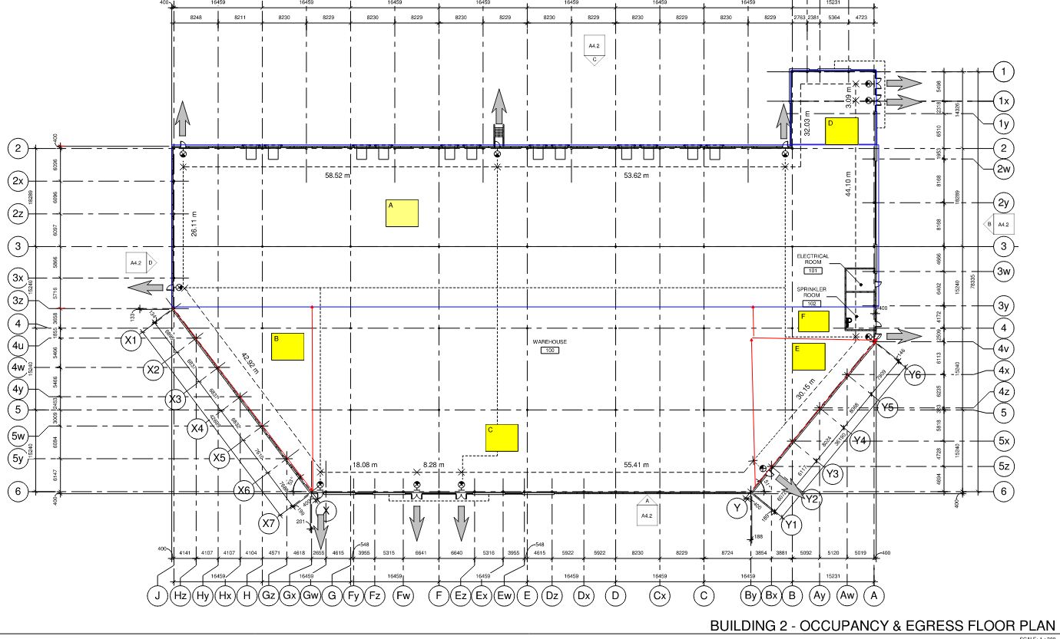
Slab Quantity

Total area is divided into parts

 | No | Length | Width | Height | cu. M
A | 1 | 30.271 | 131.244 | 0.15 | 595.9330686
B | 0.5 | 34.538 | 26.048 | 0.15 | 67.4734368
C | 1 | 34.538 | 81.83 | 0.15 | 423.936681
D | 1 | 14.326 | 16.031 | 0.15 | 34.4490159
E | 0.5 | 23.366 | 30.88 | 0.15 | 54.115656
F | 1 | 23.366 | 6.681 | 0.15 | 23.4162369
 |  |  |  |  | 1199.3240952
 |  |  |  | wastage factor 3% | 1235.3038181

Steel fiber

Slab quantity |  |  |  | 1235.30
Steel fiber(kg) = 15 * slab quantity |  |  |  | 18529.56

High Range Super Plasticizer (Required with Steel Fibres)

High range super plasticizer |  |  |  | 1,235.30 | Liter

Floor Hardener Traprock 60lbs/100sf

 | No | Length | Width | sq m
A | 1 | 30.051 | 130.804 | 3930.79
B | 0.5 | 34.138 | 25.828 | 440.86
C | 1 | 34.538 | 81.83 | 2826.24
D | 1 | 14.326 | 15.591 | 223.36
E | 0.5 | 23.146 | 30.66 | 354.83
F | 1 | 23.146 | 6.681 | 154.64
Total in meter sqare |  |  |  | 7930.72
Total in sq ft. |  |  |  | 85321.83

Pour / Finish 6" Slab on Grade

 | No | Length | Width | sq m
A | 1 | 30.051 | 130.804 | 3930.79
B | 0.5 | 34.138 | 25.828 | 440.86
C | 1 | 34.538 | 81.83 | 2826.24
D | 1 | 14.326 | 15.591 | 223.36
E | 0.5 | 23.146 | 30.66 | 354.83
F | 1 | 23.146 | 6.681 | 154.64
Total in meter sqare |  |  |  | 7930.72
Total in sq ft. |  |  |  | 85321.83

Sawcuts @ slab on grade
Remark | JOINTS TO BE AT MAX. 10'-0" o/c U.N.O. OR APPROVED.
Note :- | Here the sawcuts are provided at 10' maximum distance

Note :- Here the total length and width of building is divided into number of parts by keeping minimum distance between two consecuting grids 10' as per the remark.

Total length of grid in West-East direction (feet) |  |  |  | 427.8432
Total length of grid in North-South direction (feet) |  |  |  | 209.92

Number of grids with minimum 10' distance in North-South direction = (Total length of grid in West-East direction (m))/10' |  |  |  | 42.78432

Number of West-East direction = (Total length of grid in North-South direction (m))/10' |  |  |  | 20.992

Total length of sawcuts in West-East direction (m) |  |  |  | 8981.2844544
Total length of sawcuts in North-South direction (m) |  |  |  | 8981.2844544
Total Sawcut in linear feet |  |  |  | 17962.568909

Wet Cure Slab on Grade > film

 | No | Length | Width | sq m
A | 1 | 30.051 | 130.804 | 3930.79
B | 0.5 | 34.138 | 25.828 | 440.86
C | 1 | 34.538 | 81.83 | 2826.24
D | 1 | 14.326 | 15.591 | 223.36
E | 0.5 | 23.146 | 30.66 | 354.83
F | 1 | 23.146 | 6.681 | 154.64
 |  |  |  | 7930.72
 |  |  |  | 85321.83

Fire-rated CMU Block 190mm - 2 hrs

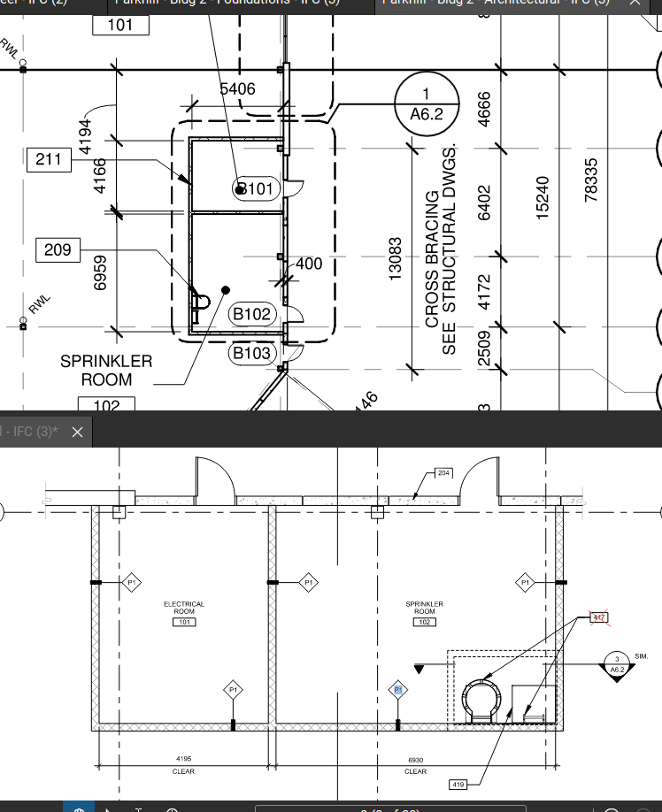
Number | Length | height | Total
1 | 11.315 | 3.65 | 41.29975
3 | 5.406 | 3.65 | 59.1957

Total in meter sqare |  |  | 100.49545
Total in sq ft. |  |  | 1081.1702493

2' x 10' x 12' @ Parapet

 | Name |  | No | Length | sq m
 | South wall |  | 1 | 30.404 | 30.404
 | South -East (Inclined wall) |  | 1 | 43.258 | 43.258
 | East wall |  | 1 | 82.219 | 82.219
 | North - East |  | 1 | 36.874 | 36.874
 | North Wall |  | 1 | 50.364 | 50.364
 | west wall |  | 1 | 15.231 | 15.231
 | west wall (2) |  | 1 | 14.864 | 14.864
 | west wall (3) |  | 1 | 114.831 | 114.831
 | Total in meter |  |  |  | 388.045
 | Total in sq ft. |  |  |  | 1272.7876

Aluminum Composite Panel Alucobond System SL2000 - Color Red @ Canopy
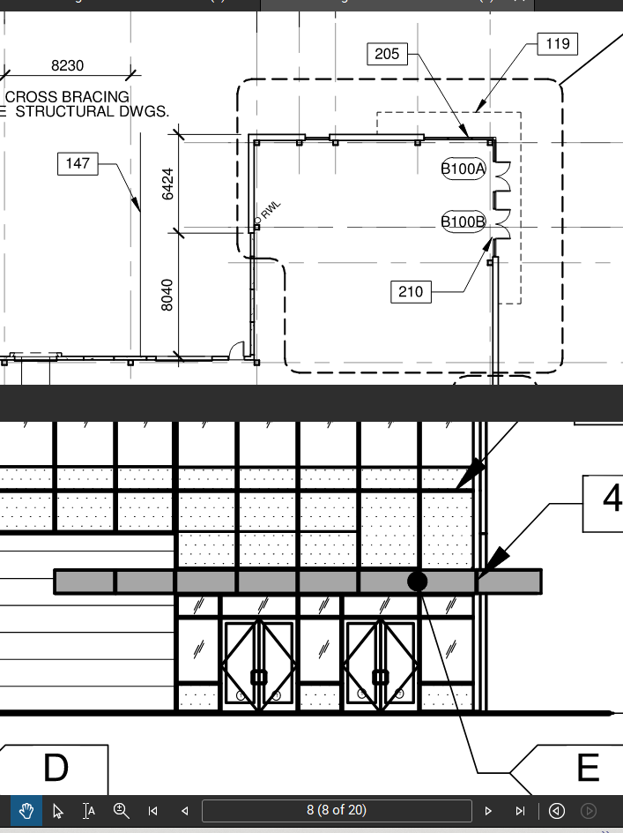
 | Length | Width | Area (Sq. m)
Part A | 9.369 | 1.45 | 13.58505
 | 10.88 | 1.6 | 17.408
Total in meter sqare |  |  | 30.99305
Total in sq. ft |  |  | 333.43562912

Part B | 18.6 | 0.609 | 11.3274
Total in sq. ft |  |  | 121.86470016

Part C | 18.5 | 1.2 | 22.2
Total in sq. ft |  |  | 238.83648
Grand Total |  |  | 694.13680928

Aluminum Soffits Alucobond System SL2000 - Color Red @ Canopy

 | Length | Width | Area (Sq. m)
Part A | 9.369 | 1.45 | 13.58505
 | 10.88 | 1.6 | 17.408
Total in sq. meter |  |  | 30.99305
Total in sq. ft |  |  | 333.43562912

Part B | 18.6 | 0.609 | 11.3274
 |  |  | 121.86470016

Part C | 18.5 | 1.2 | 22.2
Total in sq. ft |  |  | 238.83648

Grand Total |  |  | 694.13680928

Insulated Metal Panels (Type W2) - Grey
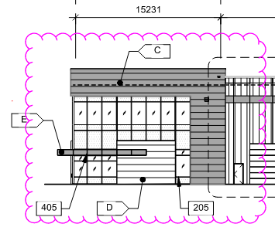

West part | length | height | Area
 | 15.231 | 2.844 | 43.316964
 | 2.763 | 9.297 | 25.687611
 |  | Total | 69.004575

North part | length | height | Area
 | 37.281 | 2.844 | 106.027164
 | 4.666 | 9.297 | 43.379802
 |  | Total | 149.406966

South part | length | height | Area
 | 6.388 | 9.297 | 59.389236
 |  | Total | 59.389236

East part | length | height | Area
 | 44.803 | 2.844 | 127.419732
 | 9.23 | 9.297 | 85.81131
 |  | Total | 213.231042

Grand total in sq. m |  |  | 491.031819
Grand total in sq. ft |  |  | 5282.7167215

Insulated Metal Panels (Type W2) - Grey

East Part | length | height | Area
2 | 5.315 | 4.5 | 23.9175
Total in meter sqare |  |  | 23.9175

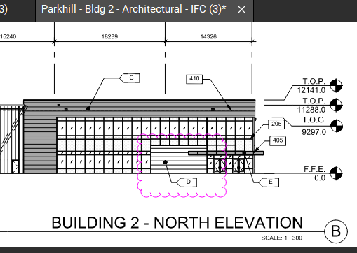

North part | length | height | Area
1 | 8.463 | 4.5 | 38.0835
Total in meter sqare |  |  | 38.0835

West part | length | height | Area
1 | 5.364 | 4.5 | 24.138
Total in meter sqare |  |  | 24.138

Total in meter sqare |  |  | 86.139
Total in sqare feet |  |  | 926.7178176

Roof R1 (Bldg) - 4 ply built up roofing over R30 rigid insulation over vapor retarder - Note 301/A3.2

 | No | Length | Width | sq m
A | 1 | 30.051 | 130.804 | 3930.79
B | 0.5 | 34.138 | 25.828 | 440.86
C | 1 | 34.538 | 81.83 | 2826.24
D | 1 | 14.326 | 15.591 | 223.36
E | 0.5 | 23.146 | 30.66 | 354.83
F | 1 | 23.146 | 6.681 | 154.64
 |  |  |  | 7930.72
 |  |  |  | 85321.83

Alum Curtain Wall 1" Insulated Tempered Glass - Vision & Spandrel Panels

North Eleveation | Length | Height | Area
 | 32.615 | 9.297 | 303.221655
Total in meter sqare |  |  | 3262.1798532

Deduction | Length | height | Number | Area
Door 1 | 8.463 | 4.5 | 1 | 38.08
Door 2 | 2 | 2.5 | 2 | 10.00
Total in meter sqare |  |  |  | 48.08
Total in sqare feet |  |  |  | 517.30

Area afte deduction |  |  |  | 2744.88

East Eleveation | Length | Height | Area
Area 1 | 32.918 | 9.297 | 306.038646
Total in sqare feet |  |  | 3292.4861691

 | Length | Height | Area
Area 2 | 2.134 | 9.297 | 19.839798
 |  |  | 213.4444828

Total in sqare feet |  |  | 3505.9306519

Deduction | Length | height | Number | Area
Door 1 | 4.315 | 4.5 | 2 | 38.835
Door 2 | 2 | 2.5 | 2 | 10
Total in meter sqare |  |  |  | 48.835
Total in sqare feet |  |  |  | 525.386464

 |  | `
Area afte deduction |  |  |  | 2980.54

West Eleveation
 | Length | Height | Area
Area 1 | 12.468 | 9.297 | 115.914996
 |  |  | 1247.059893

Deduction | Length | height | Number | Area
Door 1 | 5.364 | 4.5 | 1 | 24.138

Total in meter square |  |  |  | 24.138
Total in square feet |  |  |  | 259.6862592
Area afte deduction |  |  |  | 987.37

Area afte deduction |  |  |  | 6712.80

Drywall Partition type P2 - 2hr separation

Assume | The thickness of 2hr separation partition wall is 150 mm

Number | length | height | Area
2 | 2.3 | 7.17 | 32.982
2 | 2.801 | 7.17 | 40.16634
 |  | Total | 73.14834

Total in square feet |  |  | 786.95910106

Paint Door & Frame 2 coats - Single door

Number of paint door and frame 2 coats -single door |  |  |  | 9

Drywall Paint 2 coats @ P2 wall type (both sides)

Assumption | The P2 wall thickness 150 mm
Outer side wall area
Number | Length | Height | Area
2 | 2.3 | 7.17 | 32.982
2 | 3.101 | 7.17 | 44.46834
Total in square meter |  |  | 77.45034
Total in square feet |  |  | 833.24173786

Internal side wall area
Number | Length | Height | Area
2 | 2 | 7.17 | 28.68
2 | 2.801 | 7.17 | 40.16634
Total in square meter |  |  | 68.84634
Total in square feet |  |  | 740.67646426

Grand total |  |  | 1573.9182021

